Net profit Line Chart
Profit and Profit Margin

 | Net Profit | Net Profit Margin
2015 | 155076 | 8%
2016 | 193189 | 9%
Profit and Profit Margin
2017 | 182970 | 11%
2018 | 202515 | 12%
2019 | 182099 | 11%
2020 | 215285 | 9%

Revenue column chart
Historical Revenue

 | Year | Revenue
 | 2016 | 1653634
 | 2017 | 1986832
Revenue column chart
 | 2018 | 1997535
 | 2019 | 2187475
 | 2020 | 2439535
Projected | 2021 | 2584736

Cost analysis Pie chart
Pie chart for expense breakup
Expense Breakup

Costs | Value
Cost of Goods Sold | 1,188,535
Advertising | 390,371
Payroll | 323,870
Interest | 80,847
Other | 180,115

Other Expense Breakup

Utilities | 68,865
Depreciation | 55,000
Other | 45,000
Income Tax | 11,250

Target Bar charts
Main expenditure item Target vs achieved

Target vs Achieved
Expenditure | Target | YTD | Achieved
Advertising | 300000 | 210000 | 70%
Payroll | 270000 | 165000 | 61%

Dashboard
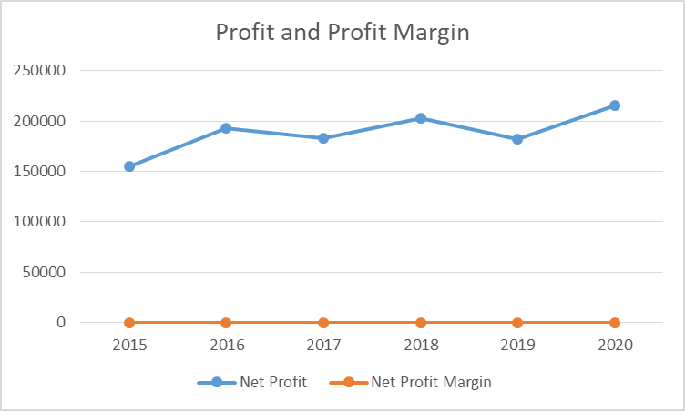
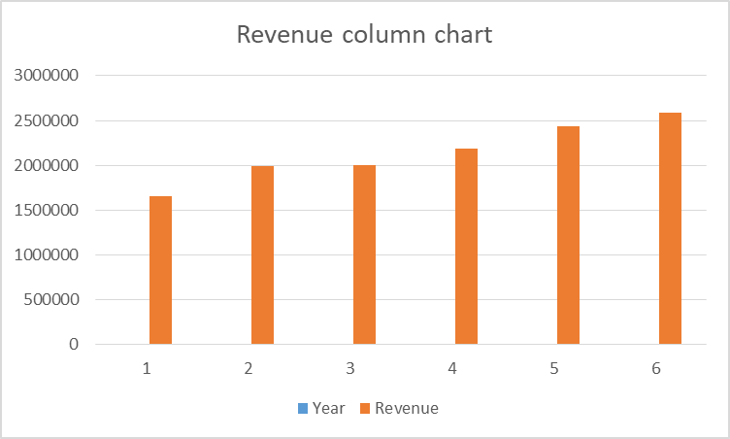
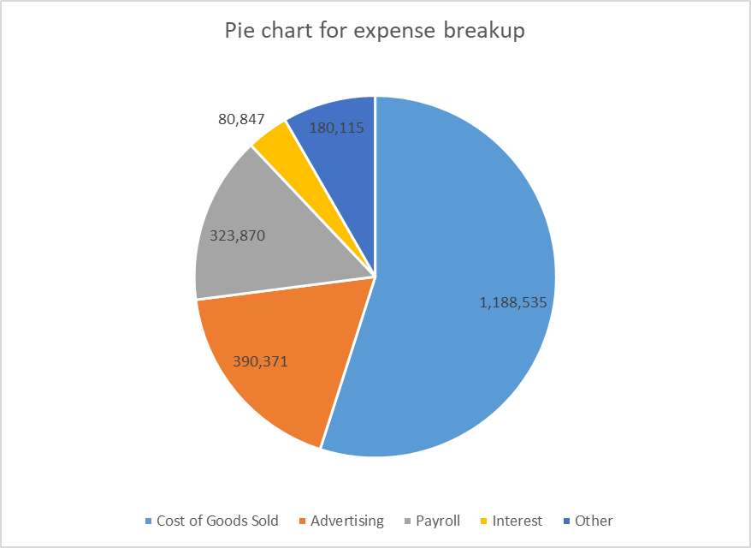
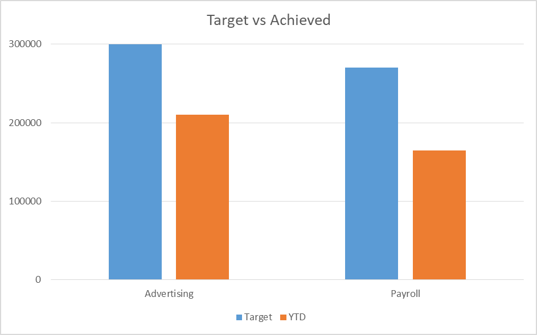
Financial Dashboard

